1
RATIO 1 2 4 4 2 1 | SIZE 3 | SIZE 4 | SIZE 5 | SIZE 6 | SIZE 7 | SIZE 8 | TOTAL
LS008

LS008 LEOPARD | 49 | 97 | 196 | 195 | 98 | 49 | 684
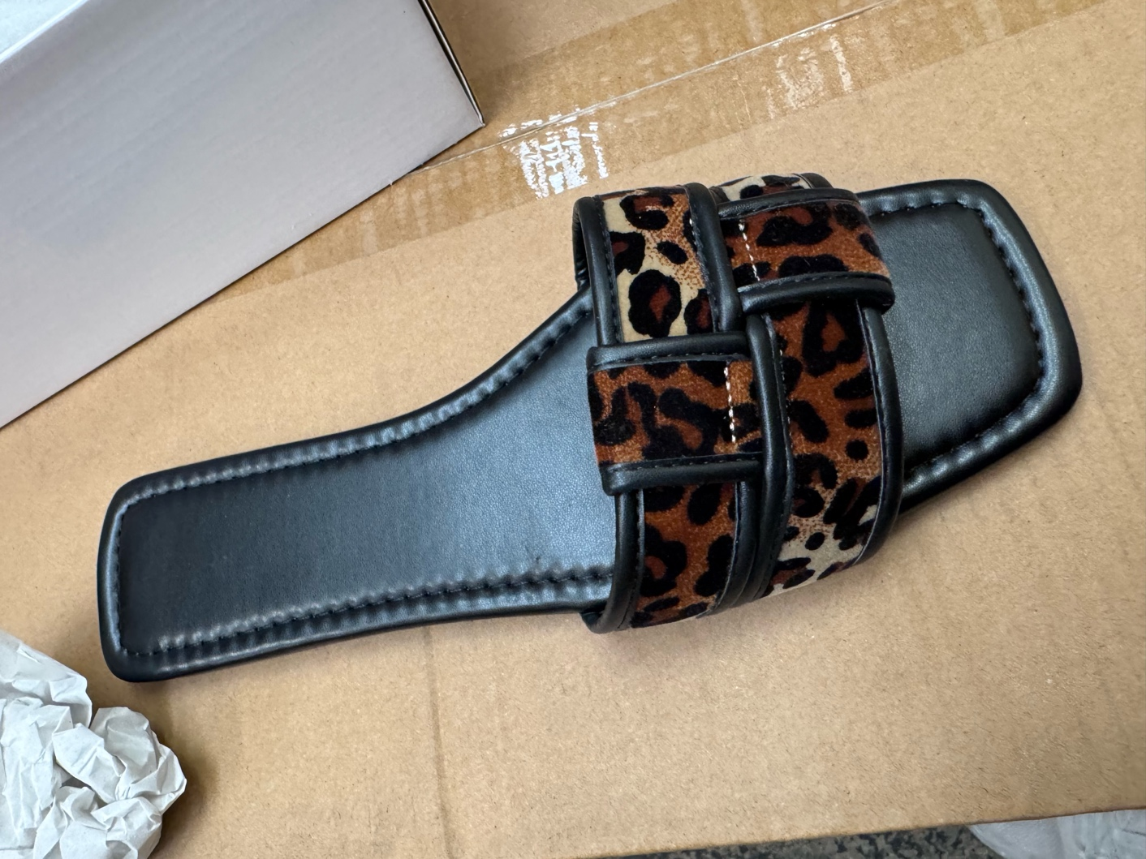

 |  |  | £

2
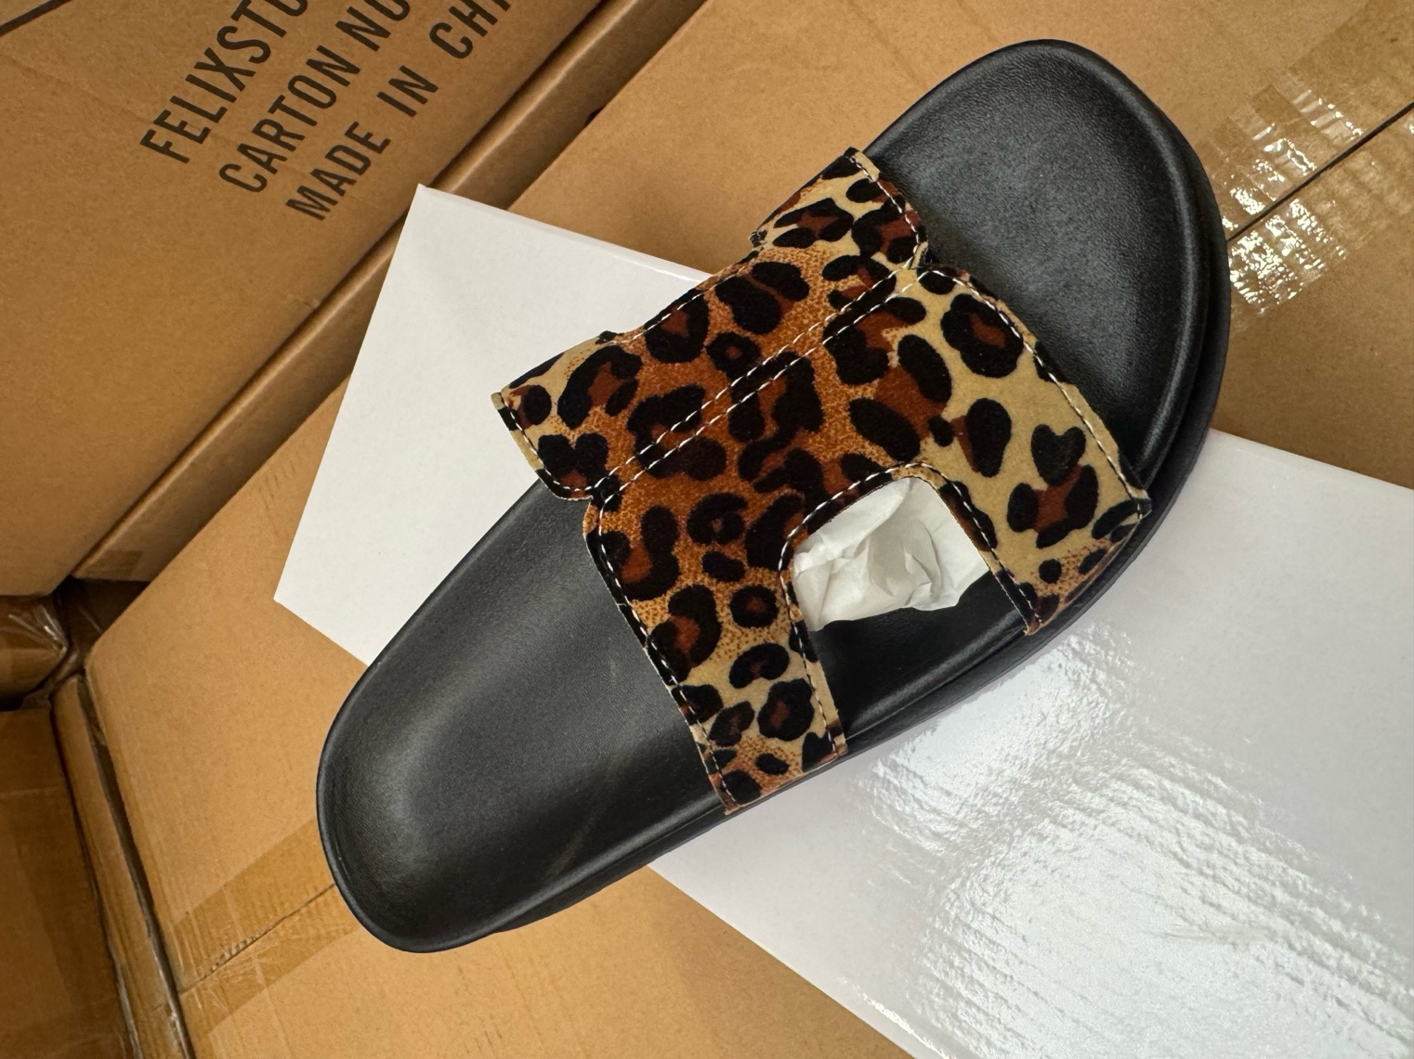
RATIO 1 2 4 4 2 1 | SIZE 3 | SIZE 4 | SIZE 5 | SIZE 6 | SIZE 7 | SIZE 8 | TOTAL
LS0030 LEOPARD | 49 | 97 | 197 | 195 | 98 | 48 | 684

3
RATIO 1 2 4 4 2 1 | 3 | 4 | 5 | 6 | 7 | 8 | TOTAL PAIRS
BLACK | 46 | 92 | 195 | 185 | 86 | 43 | 647
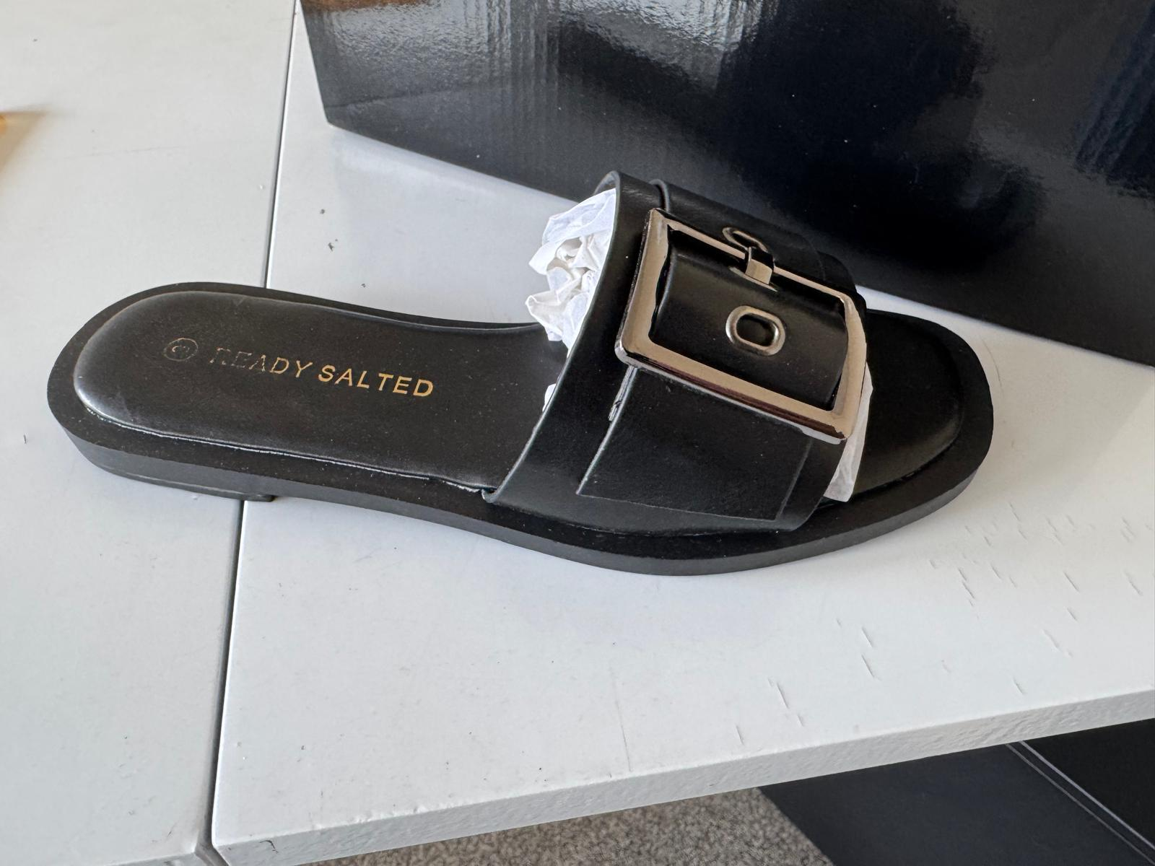

 |  |  |  |  |  |  | total pairs
 |  |  |  |  |  |  | 647

4
SAND 1 BLOCK PACK | 3 | 4 | 5 | 6 | 7 | 8 | 9 | TOTAL
BLACK | 2 | 106 | 227 | 11 | 96 | 32 |  | 474
NUDE | 34 | 0 | 319 | 208 | 207 | 95 |  | 863
WHITE | 0 | 50 | 106 | 3 | 56 | 14 |  | 229
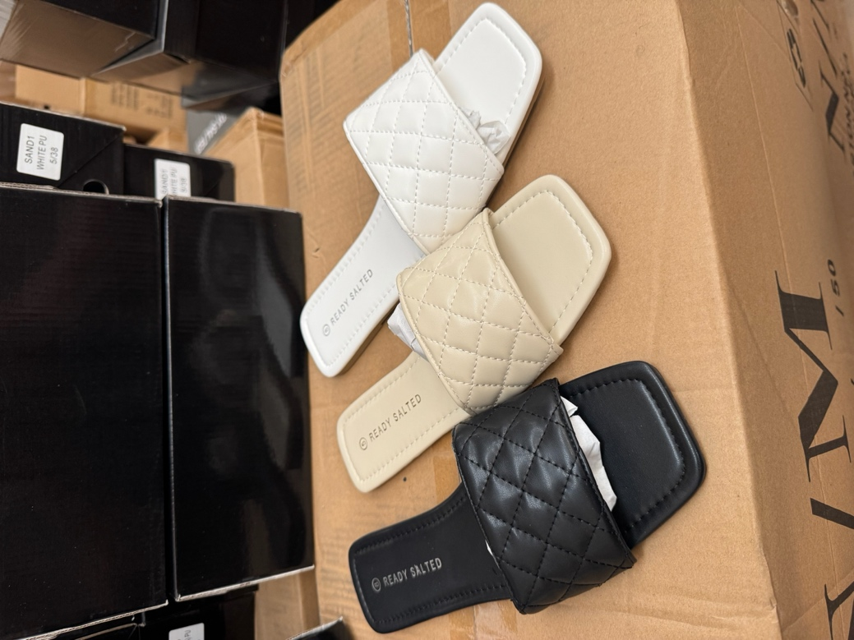
 |  |  |  |  |  |  |  | 1566

